FINAL team list
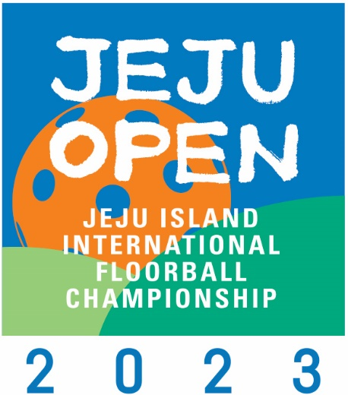
 | Jeju Open 2026 Team list |  |  | Team Name :
 | 15th August ~ 16th August , 2026
 | Jeju city, Jeju Island

 |  | Categories | Men's | Women's

 | Explanations: For Player's Position use Forward, Defender or Goalkeeper.
 | FINAL TEAM LIST PLAYERS
Ex. | 1 | Gil Dong | Hong | 22.08.2000 | korea | GK
 | No. | First name | Family name | Date of birth | Country of birth | Position F/D/GK
1
2
3
4
5
6
7
8
9
10
11
12
13
14
15
16
17
18
19
20

 | Team Officials |  |  | eg. Head Coach, Physiotherapist etc.

 |  | First name | Family name | Team function |  | Date of birth | Country of birth
 | 1
 | 2
 | 3
 | 4
 | 5
 | 6
 | 7

 |  | Signature representative of Club Team |  |  |  | Printed Name

